6K
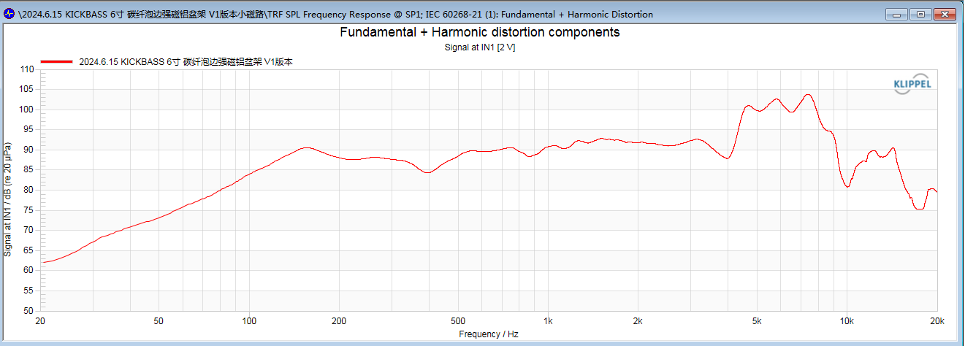
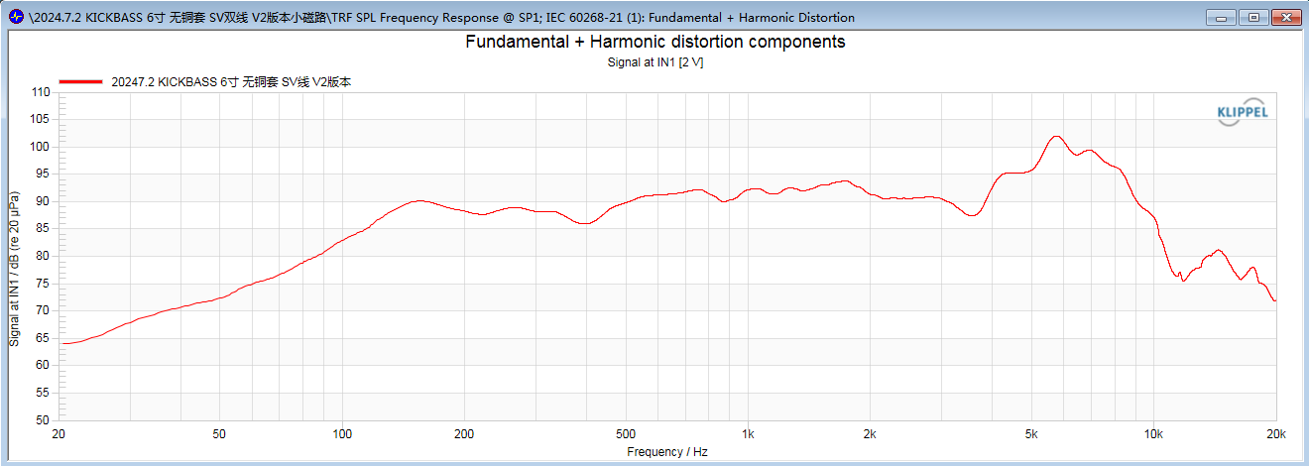
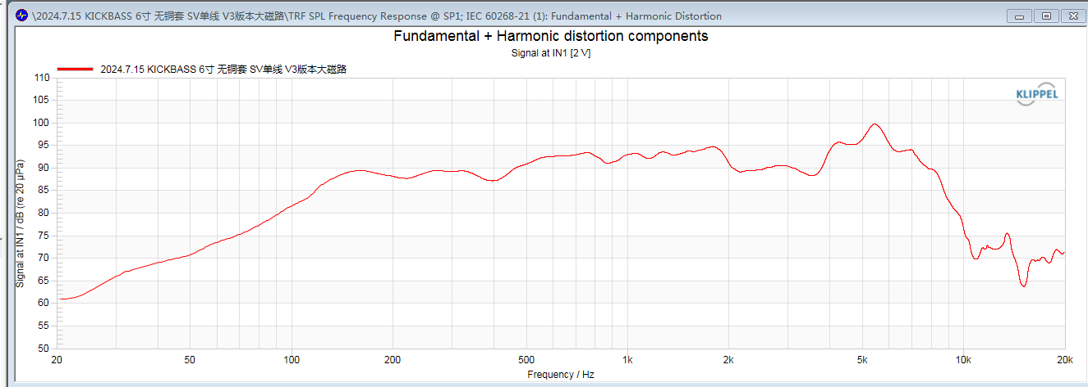
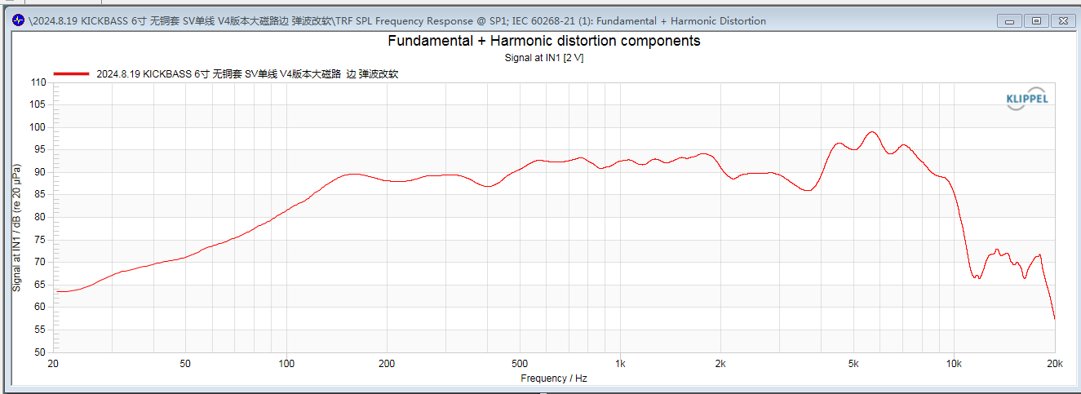
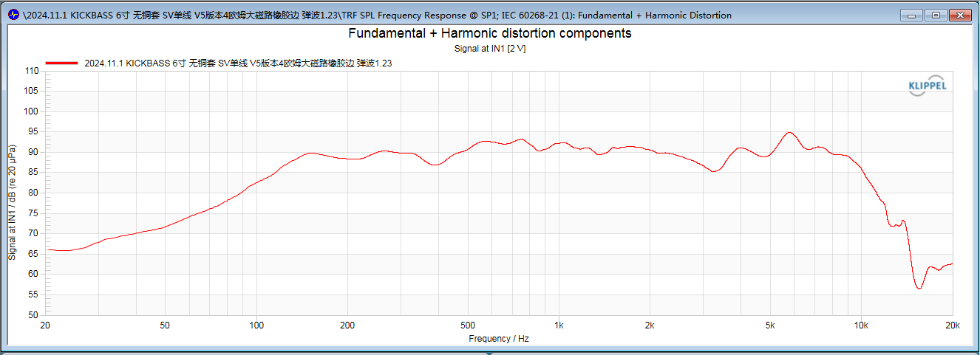
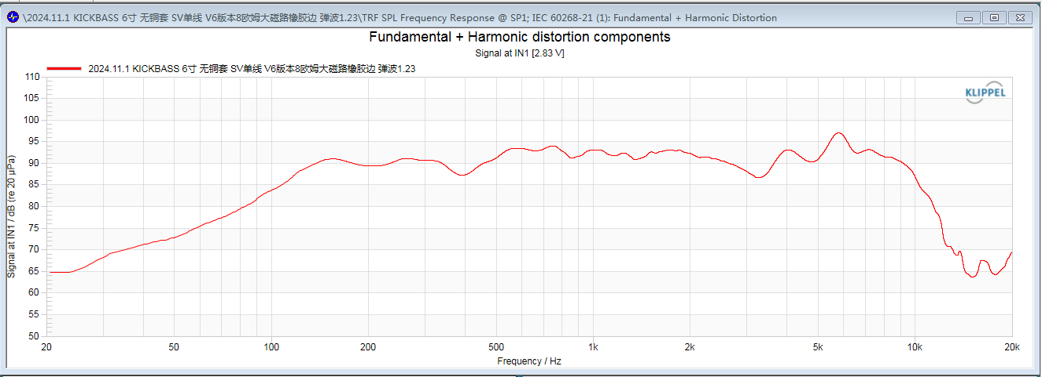
V1 |  |  |  |  | V2 |  | V3 |  | V4 |  | V5 |  | V6 |  | V7 |  | V7.5 |  | V8 |  | V9 |  | V10
BOM |  |  |  |  |  |  |  |  |  |  |  |  |  |  | use V2 motor to reduce BL so increase Qts. (Bl e' umentato perche 8ohm) |  | same as v7 with v2 vc (reduce fs and Rms)
Category | Item Name | Material | Dimensions | Notes | differencies |  | differencies |  | differencies |  | differencies |  | differencies |  | differencies |  | differencies |  | differencies |  | differencies |  | differencies
Soft Parts | Voice Coil | K/CCAW | 38.5 × 30-9.5mm | DCR: 3.2 Ω / Two-layer, / 0.17 Dongte EI wire (CCAW) / winding h 9.5 / Double wire parallel winding / kapton former thickness: 0.12 / Lead width: 15mm, 6mm from the top, connected to copper wire / Non-adhesive / Copper sheet 10mm welded with two 70mm long 16-strand silver wires / Black KT paper reinforcement / Maximum outer diameter: φ39.6mm | VC copper wire 0.15 EI Max out φ 39.5mm |  | 38.6 × 28-10.2mm single wire DCR:3Ω winding h 10.2 0.25 EI wire former thickness 0.12 max outer φ 40.0mm |  |  |  | Aluminum former SV |  | DCR: 5.4 Ω 0.20 EI wire max out φ 39.8mm |  | same as v6 |  | same as v2 |  | same as V6 but 16 ohm to increase Qes so increase Qts |  | same as V6 but Kapton former to reduce RMS so increase Qms so reduce Qts |  | same as V9 but 16 ohm to increase Qes so increase qts further
 | Cone | Foam Surround+ carbon cone | diameter 40.0mm (large bubble edge) | mesopores on the surface of carbon fiber / Bright oilon surround | smaller surround |  |  |  |  |  |  |  |  |  | same as v6
 | Spider | BPC-20S | φ98×φ38.9×2x3.7 | Model: D17-98/Immersion: 0.95/Displacement: 1.0/50g |  |  |  |  | Displacement: 1.23/50g |  | Displacement: 1/50g |  |  |  | same as v6
Motor | Iron Frame | Black Wrinkle Plastic Coating | φ60×4-φ5.5 | 8 mounting holes |  |  |  |  |  |  |  |  |  |  | same as v2
 | T-yoke | Electrophoretic black | 70 × 11.5x (37.5 × 11.5) | No through-hole |  |  | 80 × 13x (38 × 12) |  |  |  |  |  |  |  | same as v2
 | Magnet | N35 | φ75×φ42×5mm | 2.7OZ weight |  |  | φ85×φ42×5mm 3.8 OZ |  |  |  |  |  |  |  | same as v2
 | Faraday Ring | Copper | φ38×φ28×10H-0.2T | 38-core copper sleeve | removed |  |  |  |  |  |  |  |  |  | same as v2
 | Washer | Black electrophoresis | φ70×φ40.1+0.05×6mm | Machined outer circle |  |  | φ80×φ40.5+0.05×6mm |  |  |  |  |  |  |  | same as v2

T-S Parameters
Section | Parameter | Value | Unit | Description | Value | Unit | Value | Unit | Value | Unit | Value | Unit | Value | Unit | Value | Unit | Value | Unit | Value | Unit | Value | Unit | Value | Unit
 | Re | 3.37 | Ohm | electrical voice coil resistance at DC | 3.24 | Ohm | 3.09 | Ohm | 3.13 | Ohm | 3.19 | Ohm | 5.6 | Ohm | 5.65 | Ohm |  | Ohm |  | Ohm |  | Ohm |  | Ohm
 | Le | 0.022 | mH | frequency independent part of voice coil inductance | 0.109 | mH | 0.17 | mH | 0.176 | mH | 0.142 | mH | 0.214 | mH | 0.198 | mH |  | mH |  | mH |  | mH |  | mH
 | L2 | 0.142 | mH | para-inductance of voice coil | 0.189 | mH | 0.304 | mH | 0.283 | mH | 0.326 | mH | 0.441 | mH | 0.47 | mH |  | mH |  | mH |  | mH |  | mH
 | R2 | 1.85 | Ohm | electrical resistance due to eddy current losses | 3.63 | Ohm | 5.94 | Ohm | 5 | Ohm | 4.79 | Ohm | 6.76 | Ohm | 7.14 | Ohm |  | Ohm |  | Ohm |  | Ohm |  | Ohm
 | Cmes | 316.13 | μF | electrical capacitance representing moving mass | 200.98 | µF | 149.94 | µF | 148.21 | µF | 166.27 | µF | 111.7 | µF | 103.03 | µF |  | µF |  | µF |  | µF |  | µF
 | Lces | 15.19 | mH | electrical inductance representing driver compliance | 29.96 | mH | 41.18 | mH | 73.26 | mH | 72.42 | mH | 114.89 | mH | 125.69 | mH |  | mH |  | mH |  | mH |  | mH
 | Res | 19.74 | Ohm | resistance due to mechanical losses | 30 | Ohm | 45.67 | Ohm | 47.17 | Ohm | 79 | Ohm | 27.98 | Ohm | 25.05 | Ohm |  | Ohm |  | Ohm |  | Ohm |  | Ohm
 | fs | 72.6 | Hz | driver resonance frequency | 64.9 | Hz | 64 | Hz | 48.3 | Hz | 45.9 | Hz | 44.4 | Hz | 42.2 | Hz |  | Hz |  | Hz |  | Hz |  | Hz
 | Mms | 13.304 | g | mechanical mass of driver diaphragm assembly including air load and voice coil | 13.999 | g | 16.435 | g | 15.071 | g | 17.52 | g | 16.862 | g | 16.8 | g |  | g |  | g |  | g |  | g
 | Mmd (Sd) | 11.693 | g | mechanical mass of voice coil and diaphragm without air load | 12.271 | g | 14.707 | g | 13.343 | g | 15.832 | g | 15.173 | g | 15.156 | g |  | g |  | g |  | g |  | g
 | Rms | 2.132 | kg/s | mechanical resistance of total-driver losses | 2.322 | kg/s | 2.4 | kg/s | 2.156 | kg/s | 5.547 | kg/s | 5.394 | kg/s | 6.52 | kg/s |  | kg/s |  | kg/s |  | kg/s |  | kg/s
 | Cms | 0.361 | mm/N | mechanical compliance of driver suspension | 0.43 | mm/N | 0.376 | mm/N | 0.72 | mm/N | 0.687 | mm/N | 0.761 | mm/N | 0.76 | mm/N |  | mm/N |  | mm/N |  | mm/N |  | mm/N
 | Kms | 2.77 | N/mm | mechanical stiffness of driver suspension | 2.33 | N/mm | 2.66 | N/mm | 1.39 | N/mm | 1.46 | N/mm | 1.31 | N/mm | 1.3 | N/mm |  | N/mm |  | N/mm |  | N/mm |  | N/mm
 | Bl | 6.487 | N/A | force factor (Bl product) | 8.346 | N/A | 10.487 | N/A | 10.084 | N/A | 10.265 | N/A | 12.286 | N/A | 12.78 | N/A |  | N/A |  | N/A |  | N/A |  | N/A
 | Lambda s | 0.046 |  | suspension creep factor | 0.028 |  | 0.019 |  | 0.005 |  | 0 |  | 0.003 |  | 0.002
Loss Factors | Qtp | 0.416 |  | total Q-factor considering all losses | 0.24 |  | 0.175 |  | 0.132 |  | 0.131 |  | 0.145 |  | 0.132
 | Qms | 2.848 |  | mechanical Q-factor of driver in free air considering Rms only | 2.458 |  | 2.755 |  | 2.121 |  | 0.91 |  | 0.873 |  | 0.717
 | Qes | 0,486 |  | electrical Q-factor of driver in free air considering Re only | 0.265 |  | 0.186 |  | 0.141 |  | 0.153 |  | 0.175 |  | 0.162
 | Qts | 0.415 |  | total Q-factor considering Re and Rms only | 0.239 |  | 0.174 |  | 0.132 |  | 0.131 |  | 0.145 |  | 0.132
Other | Vas | 8.1945 | l | equivalent air volume of suspension | 10.7227 | l | 9.3674 | l | 17.9637 | l | 16.6147 | l | 18.399 | l | 18.58 | l |  | l |  | l |  | l |  | l
 | n0 | 0.621 | % | reference efficiency (2 pi-radiation using Re) | 1.061 | % | 1.271 | % | 1.384 | % | 1.007 | % | 0.889 | % | 0.956 | % |  | % |  | % |  | % |  | %
 | Lm | 90.13 | dB | characteristic sound pressure level (at 1 m for 1 W @ Re) | 92.46 | dB | 93.24 | dB | 93.61 | dB | 92.81 | dB | 91.69 | dB | 92 | dB |  | dB |  | dB |  | dB |  | dB
 | Lnom | 90.87 | dB | nominal sensitivity (SPL at 1 m for 1 W @ Zn) | 93.37 | dB | 94.37 | dB | 94.68 | dB | 93.21 | dB | 93.24 | dB | 93.52 | dB |  | dB |  | dB |  | dB |  | dB
 | rmse Z | 2.23 | % | root-mean-square fitting error of driver impedance Z(f) | 2.53 | % | 2.42 | % | 3.43 | % | 2.47 | % | 2.78 | % | 2.26 | % |  | % |  | % |  | % |  | %
 | rmse Hx | 0.99 | % | root-mean-square fitting error of transfer function Hx(f) | 1.35 | % | 1.83 | % | 1.38 | % | 1.57 | % | 1.34 | % | 1.23 | % |  | % |  | % |  | % |  | %
 | Series re | 0.00 | Ohm | resistance of series resistor | 0 | Ohm | 0 | Ohm | 0 | Ohm | 0 | Ohm | 0 | Ohm | 0 | Ohm |  | Ohm |  | Ohm |  | Ohm |  | Ohm
 | Sd | 126.68 | cm² | diaphragm area | 132.73 | cm² | 132.73 | cm² | 132.73 | cm² | 130.7 | cm² | 130.7 | cm² | 130.7 | cm² |  | cm² |  | cm² |  | cm² |  | cm²

